ARTÍCULOS Y COAUTORÍAS A 2017
SCOPUS
TOTAL ARTÍCULOS | 259 | H INDEX=15 | CORTE 18: MAYO 2017
TOTAL COAUTORÍAS INTERNACIONALES | 108 | H INDEX=13
CITACIONES | 1050
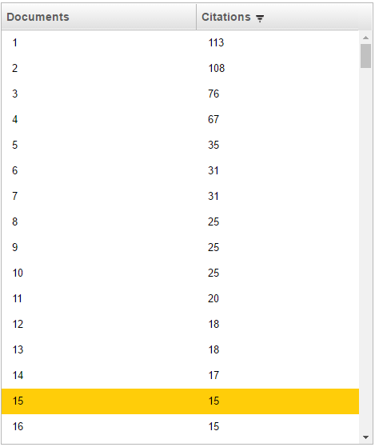
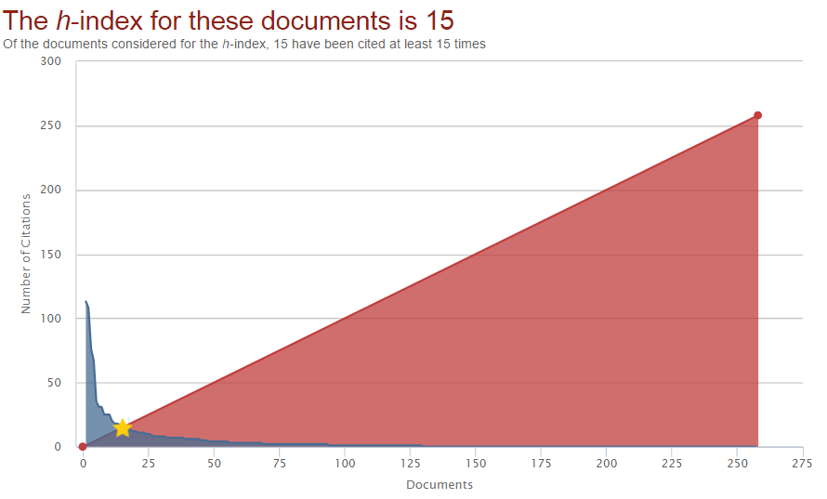
( AF-ID ( "Universidad Surcolombiana" 60070351 ) ) AND ( LIMIT-TO ( AFFILCOUNTRY , "United States" ) OR LIMIT-TO ( AFFILCOUNTRY , "Spain" ) OR LIMIT-TO ( AFFILCOUNTRY , "Mexico" ) OR LIMIT-TO ( AFFILCOUNTRY , "Brazil" ) OR LIMIT-TO ( AFFILCOUNTRY , "China" ) OR LIMIT-TO ( AFFILCOUNTRY , "United Kingdom" ) OR LIMIT-TO ( AFFILCOUNTRY , "Algeria" ) OR LIMIT-TO ( AFFILCOUNTRY , "Argentina" ) OR LIMIT-TO ( AFFILCOUNTRY , "Chile" ) OR LIMIT-TO ( AFFILCOUNTRY , "Ecuador" ) OR LIMIT-TO ( AFFILCOUNTRY , "Venezuela" ) OR LIMIT-TO ( AFFILCOUNTRY , "United Arab Emirates" ) OR LIMIT-TO ( AFFILCOUNTRY , "Cuba" ) OR LIMIT-TO ( AFFILCOUNTRY , "Peru" ) OR LIMIT-TO ( AFFILCOUNTRY , "Switzerland" ) OR LIMIT-TO ( AFFILCOUNTRY , "Australia" ) OR LIMIT-TO ( AFFILCOUNTRY , "Belgium" ) OR LIMIT-TO ( AFFILCOUNTRY , "Bolivia" ) OR LIMIT-TO ( AFFILCOUNTRY , "El Salvador" ) OR LIMIT-TO ( AFFILCOUNTRY , "Germany" ) OR LIMIT-TO ( AFFILCOUNTRY , "Italy" ) OR LIMIT-TO ( AFFILCOUNTRY , "Malaysia" ) OR LIMIT-TO ( AFFILCOUNTRY , "Paraguay" ) OR LIMIT-TO ( AFFILCOUNTRY , "Puerto Rico" ) OR LIMIT-TO ( AFFILCOUNTRY , "Uruguay" ) OR LIMIT-TO ( AFFILCOUNTRY , "Bahamas" ) OR LIMIT-TO ( AFFILCOUNTRY , "Costa Rica" ) OR LIMIT-TO ( AFFILCOUNTRY , "France" ) OR LIMIT-TO ( AFFILCOUNTRY , "Honduras" ) OR LIMIT-TO ( AFFILCOUNTRY , "India" ) OR LIMIT-TO ( AFFILCOUNTRY , "Indonesia" ) OR LIMIT-TO ( AFFILCOUNTRY , "Israel" ) OR LIMIT-TO ( AFFILCOUNTRY , "Jamaica" ) OR LIMIT-TO ( AFFILCOUNTRY , "Japan" ) OR LIMIT-TO ( AFFILCOUNTRY , "Netherlands" ) OR LIMIT-TO ( AFFILCOUNTRY , "Nicaragua" ) OR LIMIT-TO ( AFFILCOUNTRY , "Niger" ) OR LIMIT-TO ( AFFILCOUNTRY , "Philippines" ) OR LIMIT-TO ( AFFILCOUNTRY , "Poland" ) OR LIMIT-TO ( AFFILCOUNTRY , "Saudi Arabia" ) OR LIMIT-TO ( AFFILCOUNTRY , "Senegal" ) OR LIMIT-TO ( AFFILCOUNTRY , "Singapore" ) OR LIMIT-TO ( AFFILCOUNTRY , "South Korea" ) OR

 |  |  |  |  |  |  | CORTE: 18 MAYO 2017

 | AÑO | CITACIONES
 | 2006 | 13
 | 2007 | 15
 | 2008 | 14
 | 2009 | 21
 | 2010 | 23
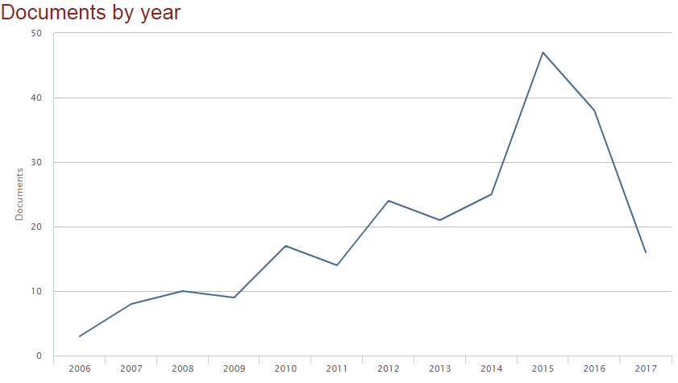
 | 2011 | 25
 | 2012 | 101
 | 2013 | 141
 | 2014 | 187
 | 2015 | 190
 | 2016 | 174
 | 2017 | 91

 | AÑO | # ARTÍCULOS
 | 2006 | 3
 | 2007 | 8
 | 2008 | 10
 | 2009 | 9
 | 2010 | 17
 | 2011 | 14
 | 2012 | 24
 | 2013 | 21
 | 2014 | 25
 | 2015 | 47
 | 2016 | 38
 | 2017 | 16

ISI THOMSON REUTERS
TOTAL ARTÍCULOS | 294 | H INDEX=13 | CORTE 18: MAYO 2017
TOTAL COAUTORÍAS INTERNACIONALES | 105 | H INDEX=12
CITACIONES | 775

Dirección: (univ surcolombiana) OR Dirección: (universidad surcolombiana) OR Dirección: (univ surcolombian) OR Dirección: (Universidad surcolombiana) OR Dirección: (surcolombiana univ) OR Dirección: (surcolombiana universidad) OR Dirección: (surcolombian univ) OR Dirección: (surcolombian universidad)

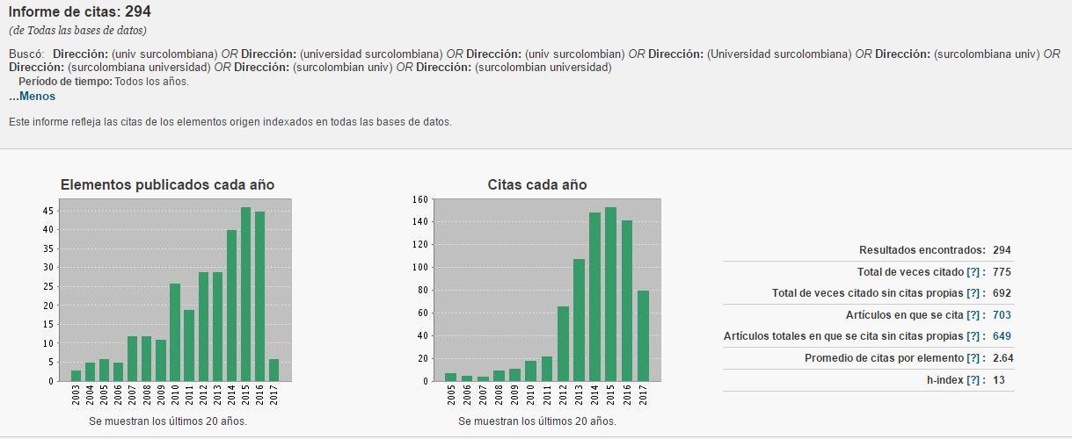

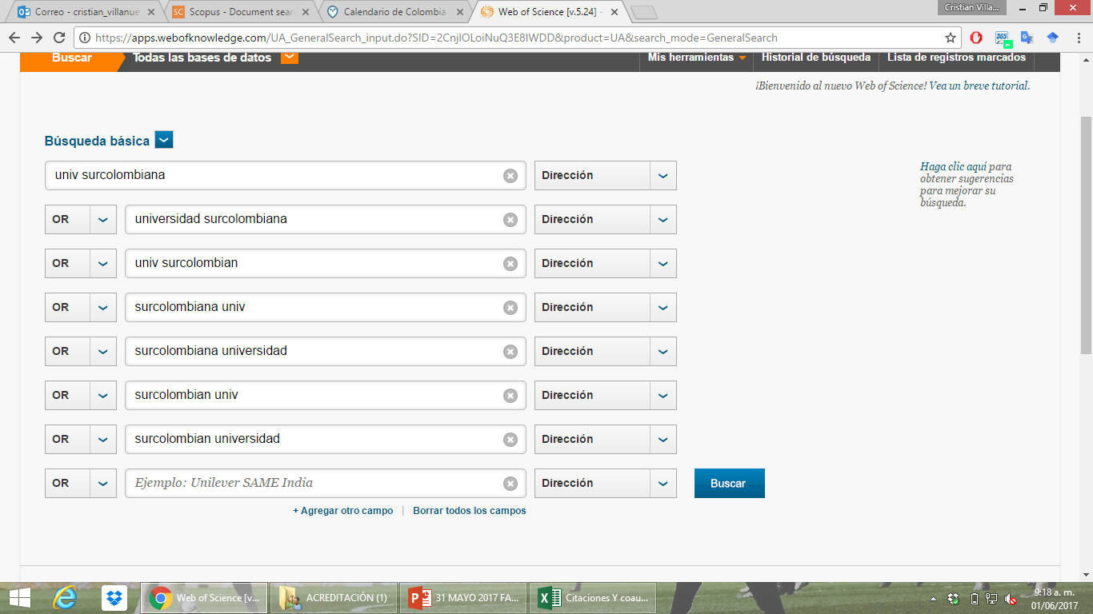

 |  |  | Artículos | H-Index | Coautorías internacionales | Citaciones
 |  | SCOPUS | 259 | 15 | 108 | 1050
 |  | ISI | 294 | 13 | 105 | 775

PUBLICACIONES Y CITAS 2012-2016
Tipo de Publicación | 2012 | 2013 | 2014 | 2015 | 2016 | TOTAL
SCOPUS | 24 | 21 | 25 | 47 | 38 | 155
ISI | 29 | 29 | 40 | 46 | 45 | 189
Artículos SCOPUS vs ISI (2012-2016)

SCOPUS-ISI
AÑO | SCOPUS | ISI
2012 | 101 | 66
2013 | 141 | 108
2014 | 187 | 149
2015 | 190 | 153
2016 | 174 | 142

Citaciones Scopus (2012-2016)

Hoja1
 | 2011 |  |  |  |  | 2012 |  |  |  |  | 2013 |  |  |  |  | 2014 |  |  |  |  | 2015 |  |  |  |  | 2016
 | A1 | A | B | C | D | A1 | A | B | C | D | A1 | A | B | C | D | A1 | A | B | C | D | A1 | A | B | C | D | A1 | A | B | C | D
 | 1 | 3 | 6 | 12 | 14 | 1 | 3 | 6 | 12 | 14 | 0 | 0 | 0 | 0 | 0 | 1 | 1 | 3 | 2 | 9 | 0 | 3 | 8 | 12 | 9 | 2 | 6 | 5 | 14 | 9

 | 2012
 | A1 | A | B | C | D | TOTAL |  |  | A1 | A | B | C | D | TOTAL |  |  | TOTAL
2012 | 1 | 3 | 6 | 12 | 14 | 36 |  | 2012 | 1 | 3 | 6 | 12 | 14 | 36 |  | 2012 | 36
2016 | 2 | 6 | 5 | 14 | 9 | 36 |  | 2013 | 0 | 0 | 0 | 0 | 0 | 0 |  | 2013 | 0
 |  |  |  |  |  |  |  | 2014 | 1 | 1 | 3 | 2 | 9 | 16 |  | 2014 | 16
 |  |  |  |  |  |  |  | 2015 | 0 | 3 | 8 | 12 | 9 | 32 |  | 2015 | 32
 |  |  |  |  |  |  |  | 2016 | 2 | 6 | 5 | 14 | 9 | 36 |  | 2016 | 36

TOTAL GRU´POS CATEGORIZADOS (2014-2016)
 |  |  |  |  |  |  | A1 | A | B | C | D | TOTAL
 |  |  |  |  |  | 2014 | 1 | 1 | 3 | 2 | 9 | 16
 |  |  |  |  |  | 2015 | 0 | 3 | 8 | 12 | 9 | 32
 |  |  |  |  |  | 2016 | 2 | 6 | 5 | 14 | 9 | 36

